Sheet1
1st Set
FH2A114N01
 |  |  |  | * Wrong file name - Instead of FH2A114NC, make it FH2A114N01
 |  |  |  | * Put Material
 |  |  |  | * Add part name and title (base on the reference)
 |  |  |  | * The origin too far
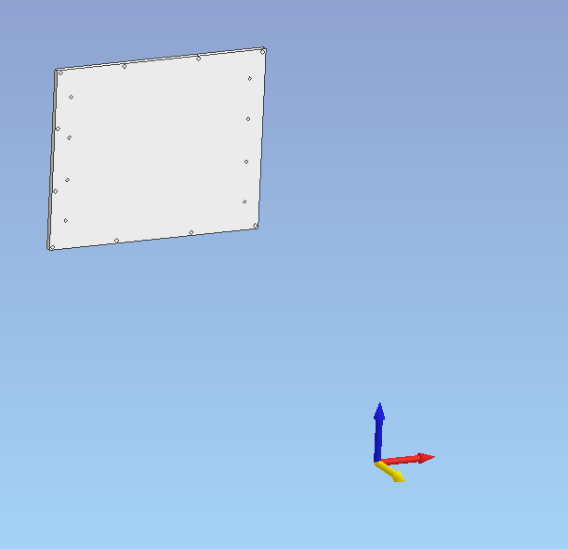

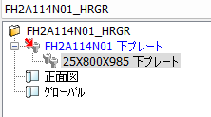

 |  |  |  | * Check Treeview

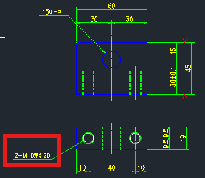
FH26109N01
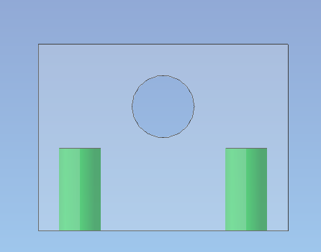

 | * Check tapping M10×20
 | and 15 hole

FH26110N01

 |  |  |  |  | <<- Front View

 | *Check Layer

FH26130N01
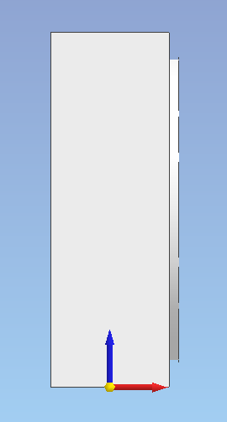
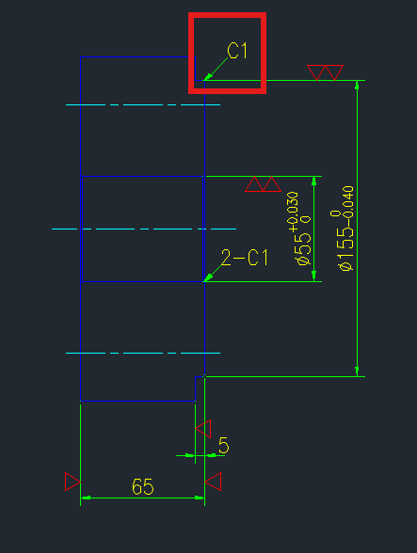

 |  |  |  |  | *Missing Chamfer

 | *Check Origin

FH26132N01
*Check Material
*Check Partname especially the thickness

M751108A01
*Check Layer

M751126N01
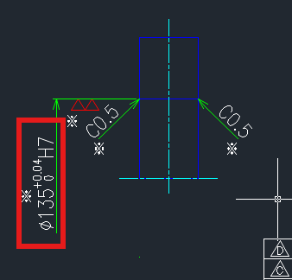
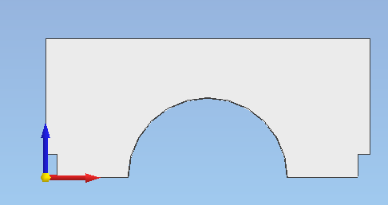
 |  |  |  |  | *Check Origin |  | *Check Diameter

M751211N01

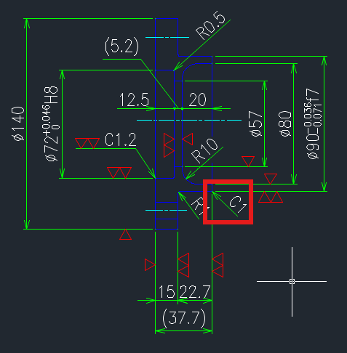

*Check Part name
*Add title

M751411A01
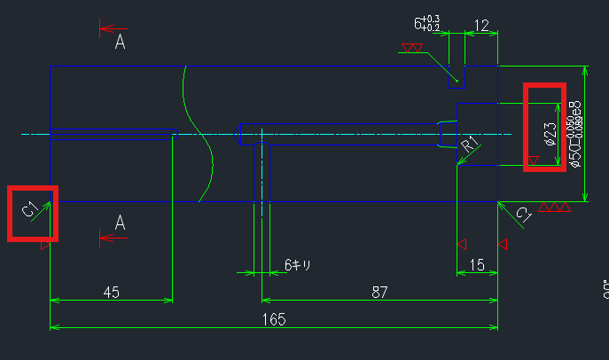

M751418A01
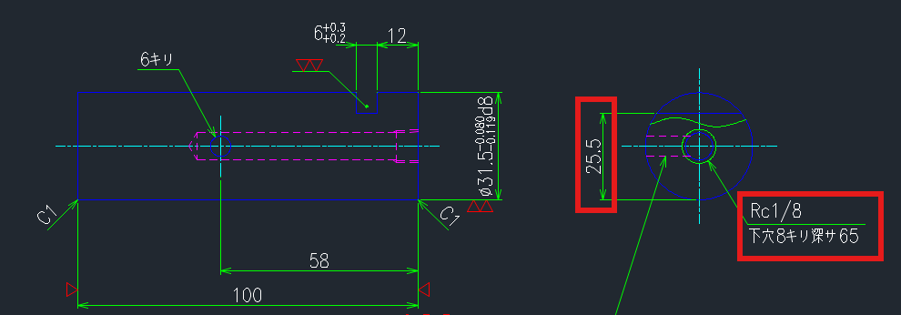

2nd Set

CMB1163N01
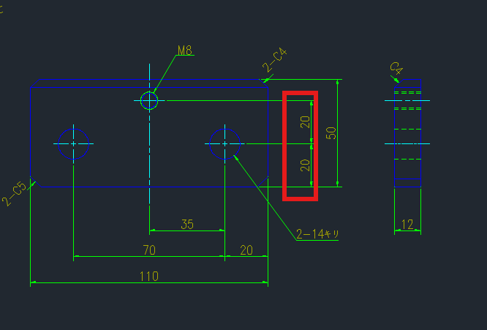

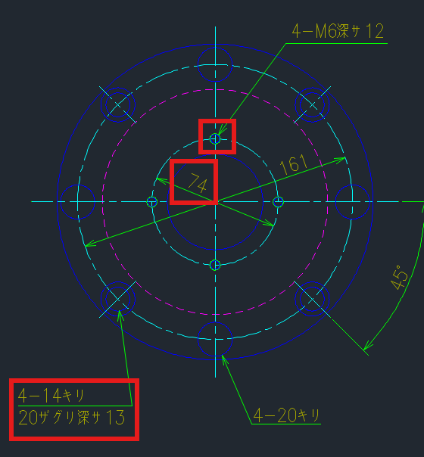
CMB3301N01 |  |  |  |  |  |  |  | CMB3388N01
*Check Color |  |  |  |  |  |  |  | *Check Layer
*Check the location of M6×12 also the PCD 74
*Check Conterbore 14キリ20ザグリ深サ13

CMB4297N01

*CMB4282N01 ???? (kindly check the reference drawing)

3rd Set

MI51100A01

 |  |  | *Remove space between last jpn character and letter A.

*Check the red boxes, and compare it to the reference
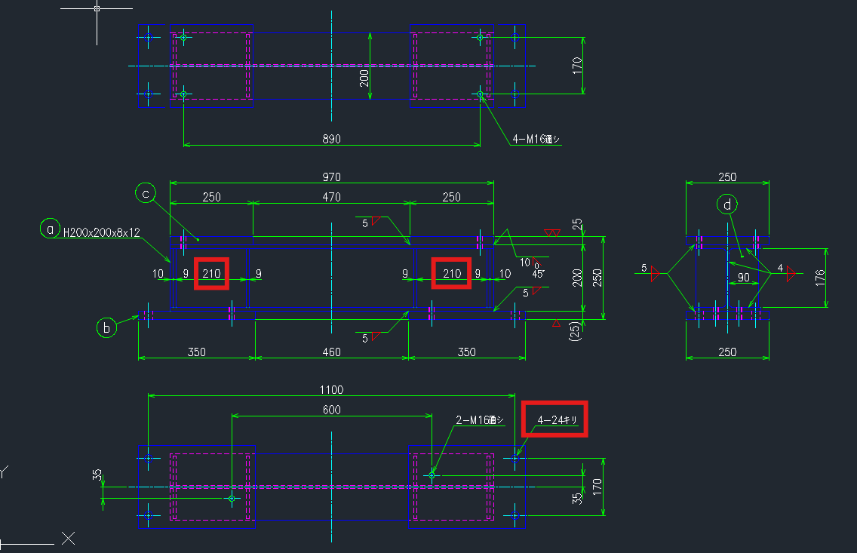

MI51103A01

*Check the red boxes, and compare it to the reference
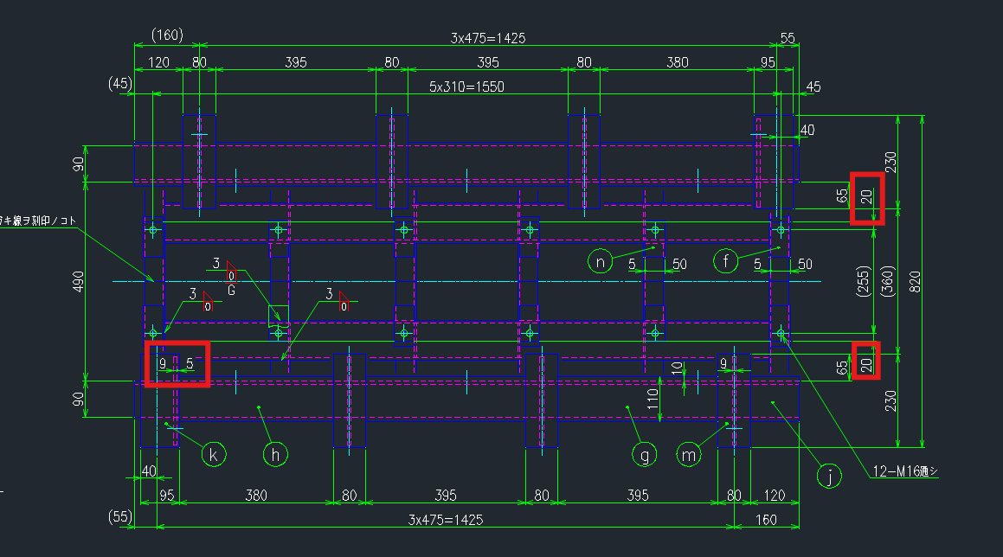

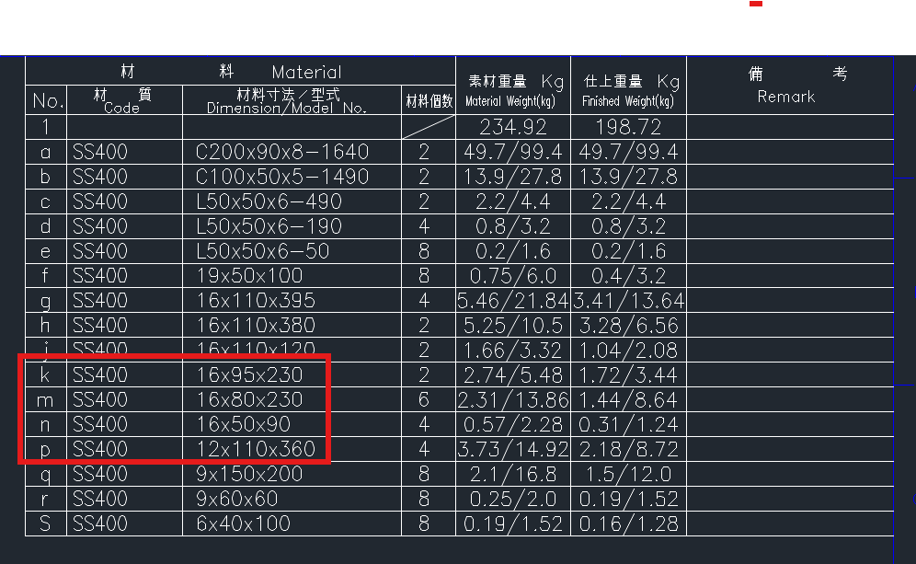

 |  |  | Top View

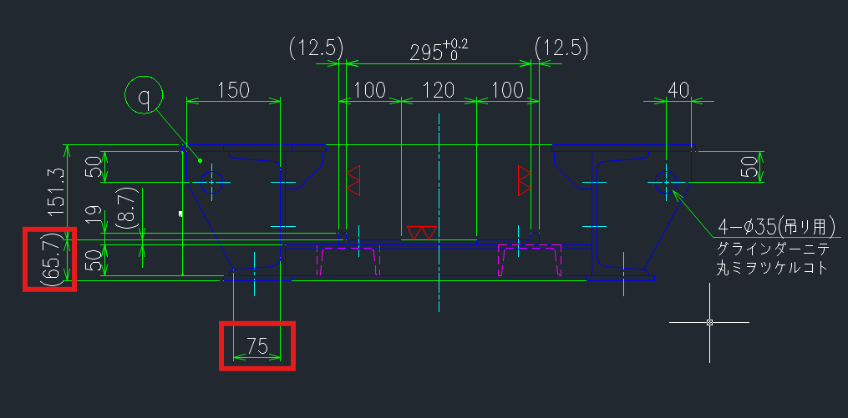

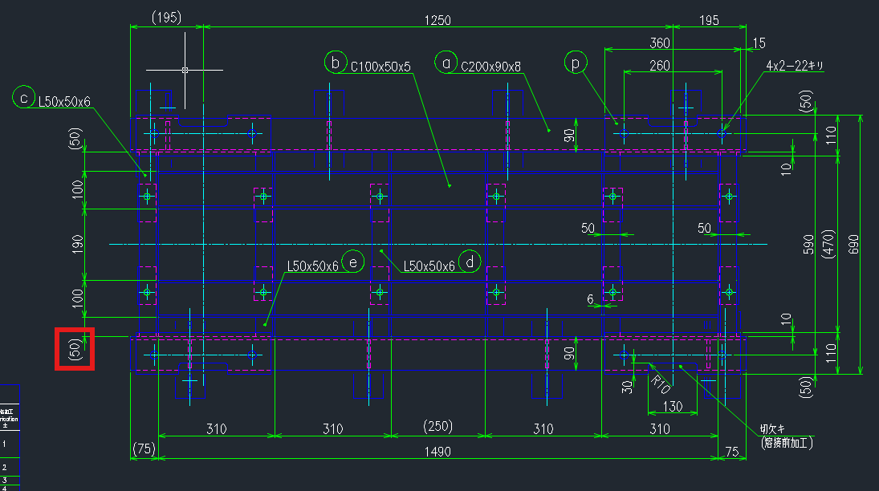
 |  |  | Front View |  |  |  |  | Right Side
 |  |  |  |  |  |  |  |  | 0.1 Gap, Check 3D
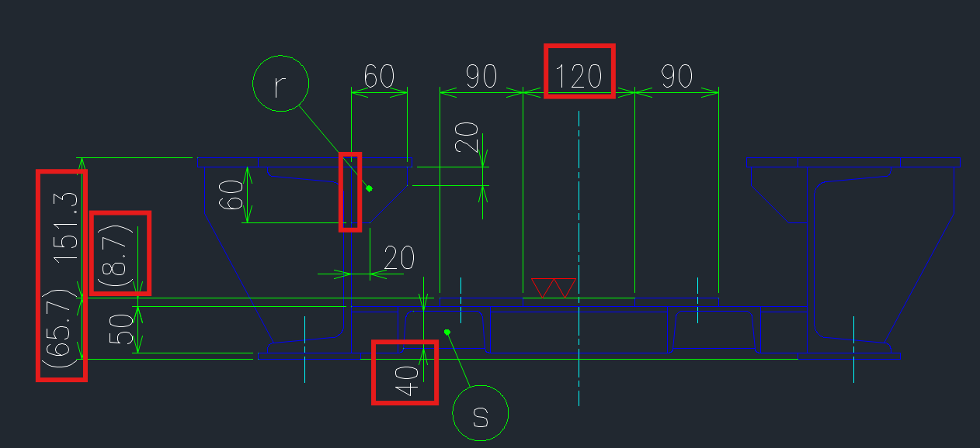

 |  |  |  |  |  |  |  | Section View
 |  |  |  |  |  |  |  |  |  | k - 16×95×230 | (On bom)
 |  |  |  |  |  |  |  |  |  | *Check t16 and length 230 on 3D
 |  |  |  |  |  |  |  |  |  | * Same with balloon m

 |  |  |  |  |  |  |  |  |  | n- 16×50×90 | (On bom)
 |  |  | Bottom View |  |  |  |  |  |  | *Check thickness on 3D then check the partname on treeview

 |  |  |  |  |  |  |  |  |  | p- 12×110×360 | (On bom)
 |  |  |  |  |  |  |  |  |  | *Check thickness on 3D (t7 on DWG)
MI51104A01
*Check the BOM
e- | Check Treeview φ150-25 >>> φ150×25
t- | 16×35×60 >> Check the quantity on BOM
 | and check the qty on your treeview. Theres a 1 link in 2 parts.
v- | Check the partname on the treeview, compare it in BOM (14×175×370)
x- | No partname

*Check all my comments here. I will send it to you for your reference.
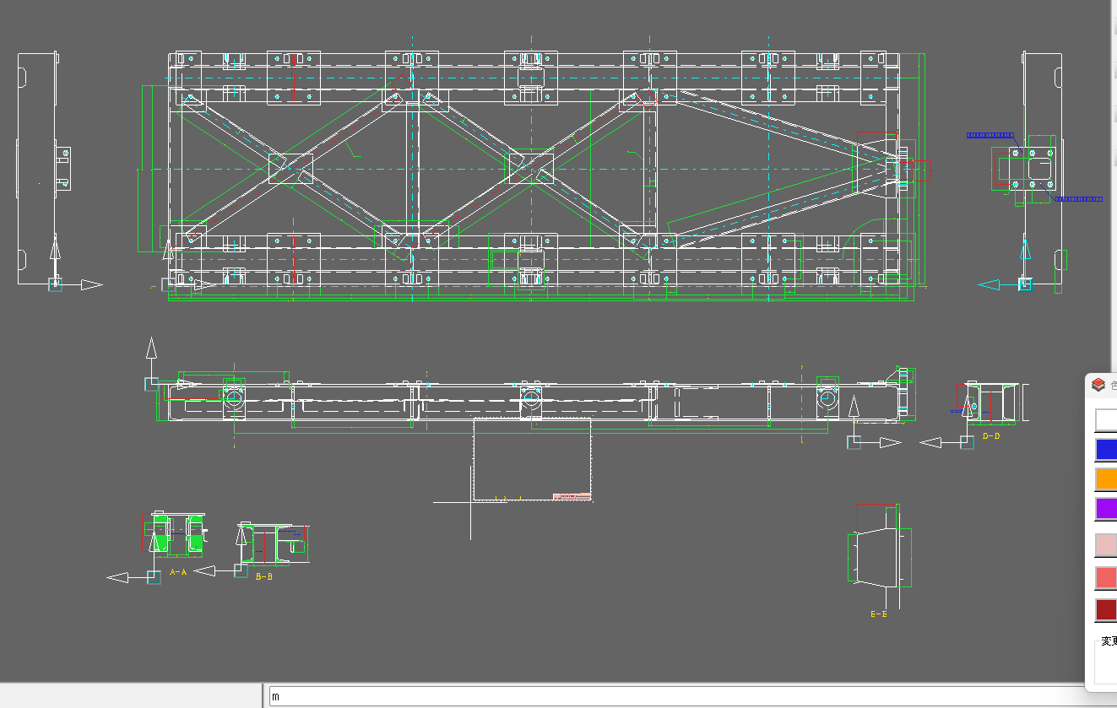

4th Set

CR19299N01
*Check the material

CR19404A01
*Check the origin and orientation
*Check also the 404B01 >>> Please ask me regarding this

CR19405N01
*Check orientation >>> Please ask me regarding this
* Check the keyway

CR19407N01
*Check the origin and orientation
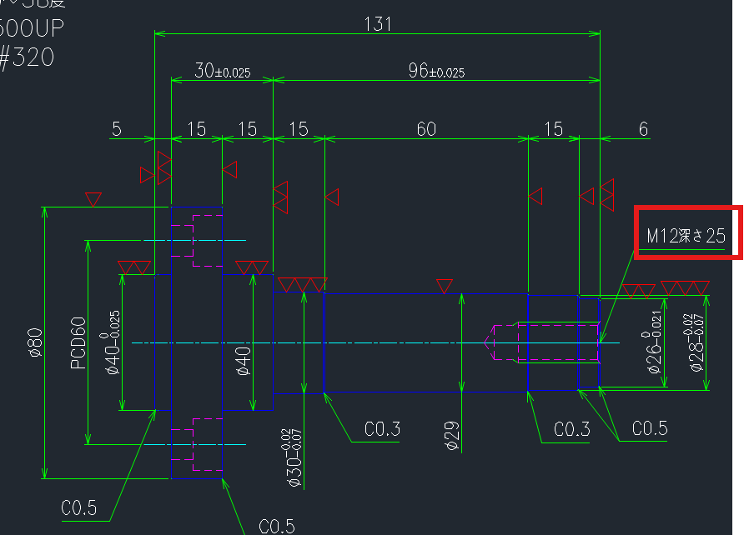

CR19409N01
*Tapping M30×1.5 >> no link ??

CR19410N01
*Check Orientation |  | >>> Ask me regarding this |  |  |  | This one is the priority dimension instead of 44
*Check Tapping M5
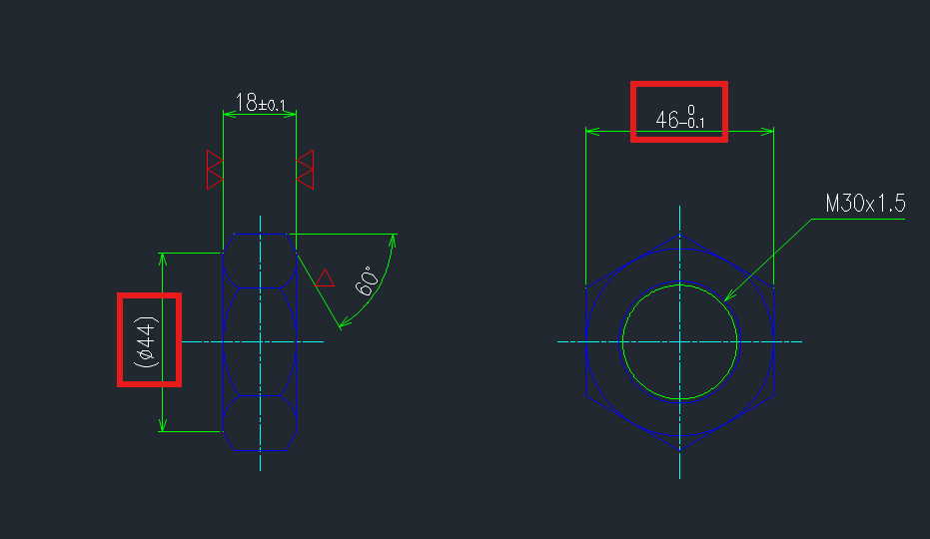

CR19411N01

CR19412N01
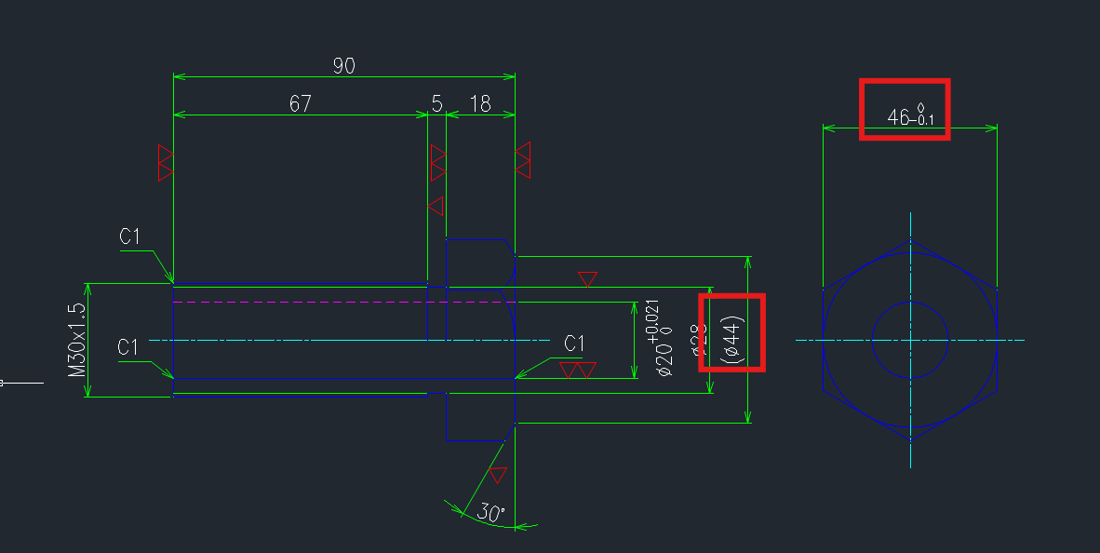
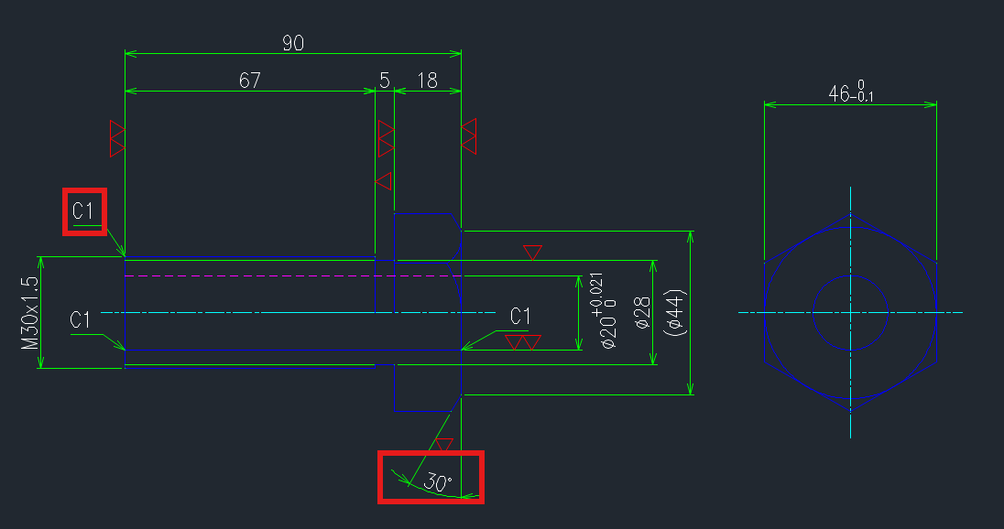

 |  |  |  |  |  |  | >>>>

 |  |  |  |  |  |  |  | *Change Orientation
CR19413N01
*Check partname

CR19415N01
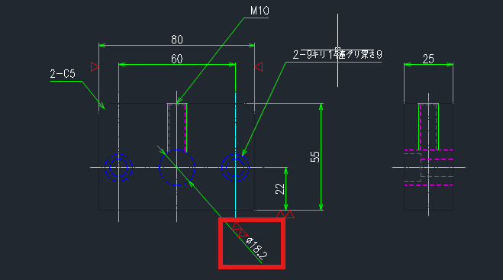

CR19417N01
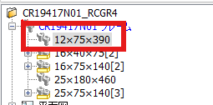

*One link in 2 parts, check the quantity in BOM

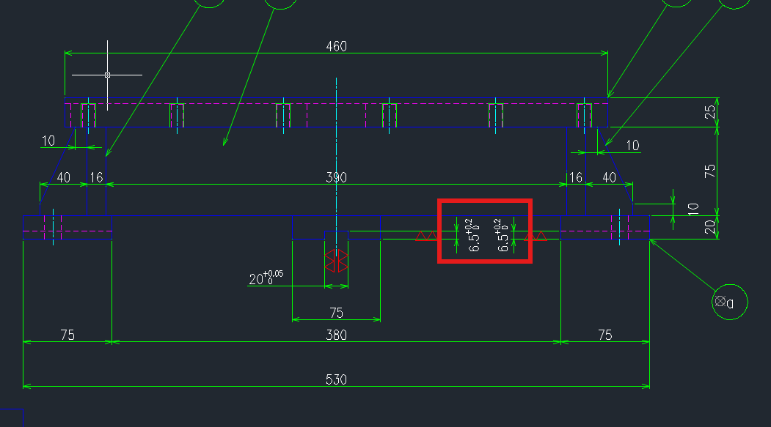

CR19061U01 |  | (Assy)
*Check the title
*CR19403N01 - offset
*CR19404A01 - Check the location
*LDM--10×25-OR - check the title on 3D
*Remove standard part on Purchase parts folder
*CR19408N01 - check the position |  |  |  | >>> move 2.75 downward check the ref.
* balloon 30 - check 3D
*balloon 32 - no material
*delete plane on 3D

5th Set

LD16133B01
*Check Origin
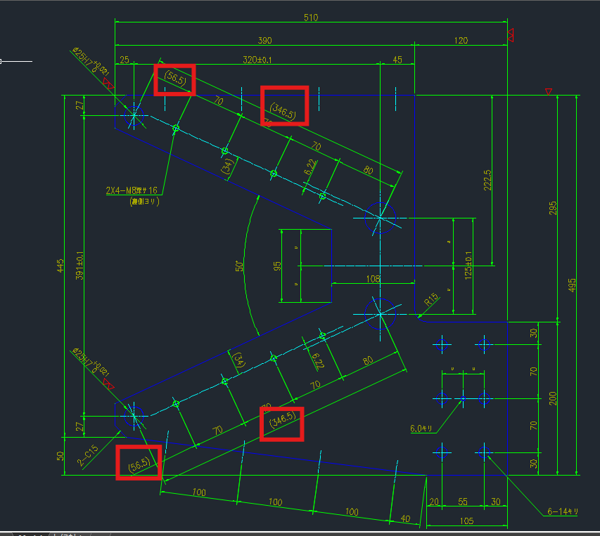

LD16135N01
*Check Material and layer

LD16138N01
*Check Origin

LD16140N01
*Check partname |  | or ask me

LD16143N01
*Check Title

LD16144N01

*Check origin

LD16016U01 |  | (Assy)
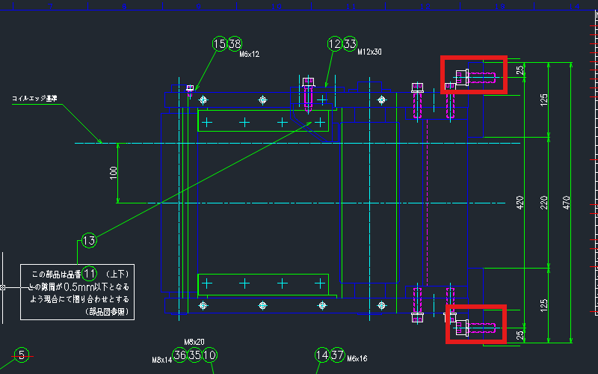

 |  |  |  |  |  | *Check the position of bolt

*Check balloon 33, |  | check the bolt length
*Check Balloon 10 , |  | Check the drawing number , please don’t overlook especially putting of drawing numbers

